Dash board
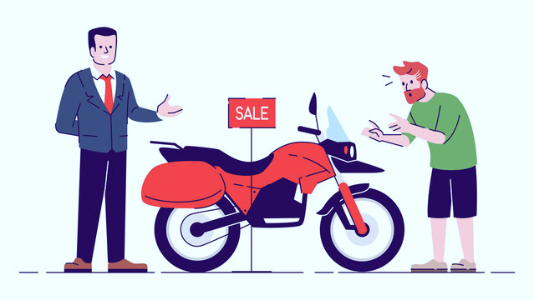
BIKE PURCHASE DASHBOARD

TOTAL CUSTOMERS
1026

Age / bike purchase
 | No | Yes
25-34 | 129 | 96
35-44 | 138 | 203
45-54 | 130 | 135
55-64 | 92 | 44
65-74 | 39 | 16
75-84 | 2 | 1
85-94 | 1
Gender/bike purchase
 | No | Yes
F | 258 | 243
M | 273 | 252
Marital status/bike purchase
 | No | Yes
M | 313 | 236
S | 218 | 259

Commute distance/bike purchase
 | No | Yes
0-1 Miles | 171 | 207
1-2 Miles | 93 | 83
2-5 Miles | 67 | 95
5-10 Miles | 120 | 77
10+ Miles | 80 | 33
Income/bike purchase
 | No | Yes
10000-19999 | 46 | 30
20000-29999 | 45 | 33
30000-39999 | 83 | 57
40000-49999 | 65 | 94
50000-59999 | 20 | 20
60000-69999 | 84 | 82
70000-79999 | 59 | 66
80000-89999 | 58 | 36
90000-99999 | 15 | 25
100000-109999 | 19 | 11
110000-119999 | 8 | 8
120000-129999 | 8 | 11
130000-139999 | 17 | 15
150000-159999 | 1 | 3
160000-170000 | 3 | 4
Bike purchase by region
 | No | Yes
Europe | 160 | 156
North America | 288 | 220
Pacific | 83 | 119

No of children /bike purchase
 | No | Yes
0 | 143 | 146
1 | 74 | 98
2 | 115 | 104
3 | 61 | 75
4 | 72 | 54
5 | 66 | 18
Occupation/bike purchase
 | No | Yes
Clerical | 92 | 95
Management | 101 | 73
Manual | 67 | 59
Professional | 130 | 150
Skilled Manual | 141 | 118
Car ownership /bike purchase
 | No | Yes
0 | 101 | 153
1 | 118 | 159
2 | 219 | 129
3 | 53 | 33
4 | 40 | 21

conclusions
CONCLUSIONS FROM THE DASHBOARD

1. Most bike buyers fall within the age range 35-44
2. People with 0 to 2 children are more likely to buy bikes
3. Married persons are high in buying bikes
4. The commute distance and purchase are directly propotional
5. Bike purchases are high when the commute distance less than 1mile
6. North american region has the highest % of bike purchase
7. Above average income category persons are less interest to buy bikes

screenshot of dashboard
